Intro
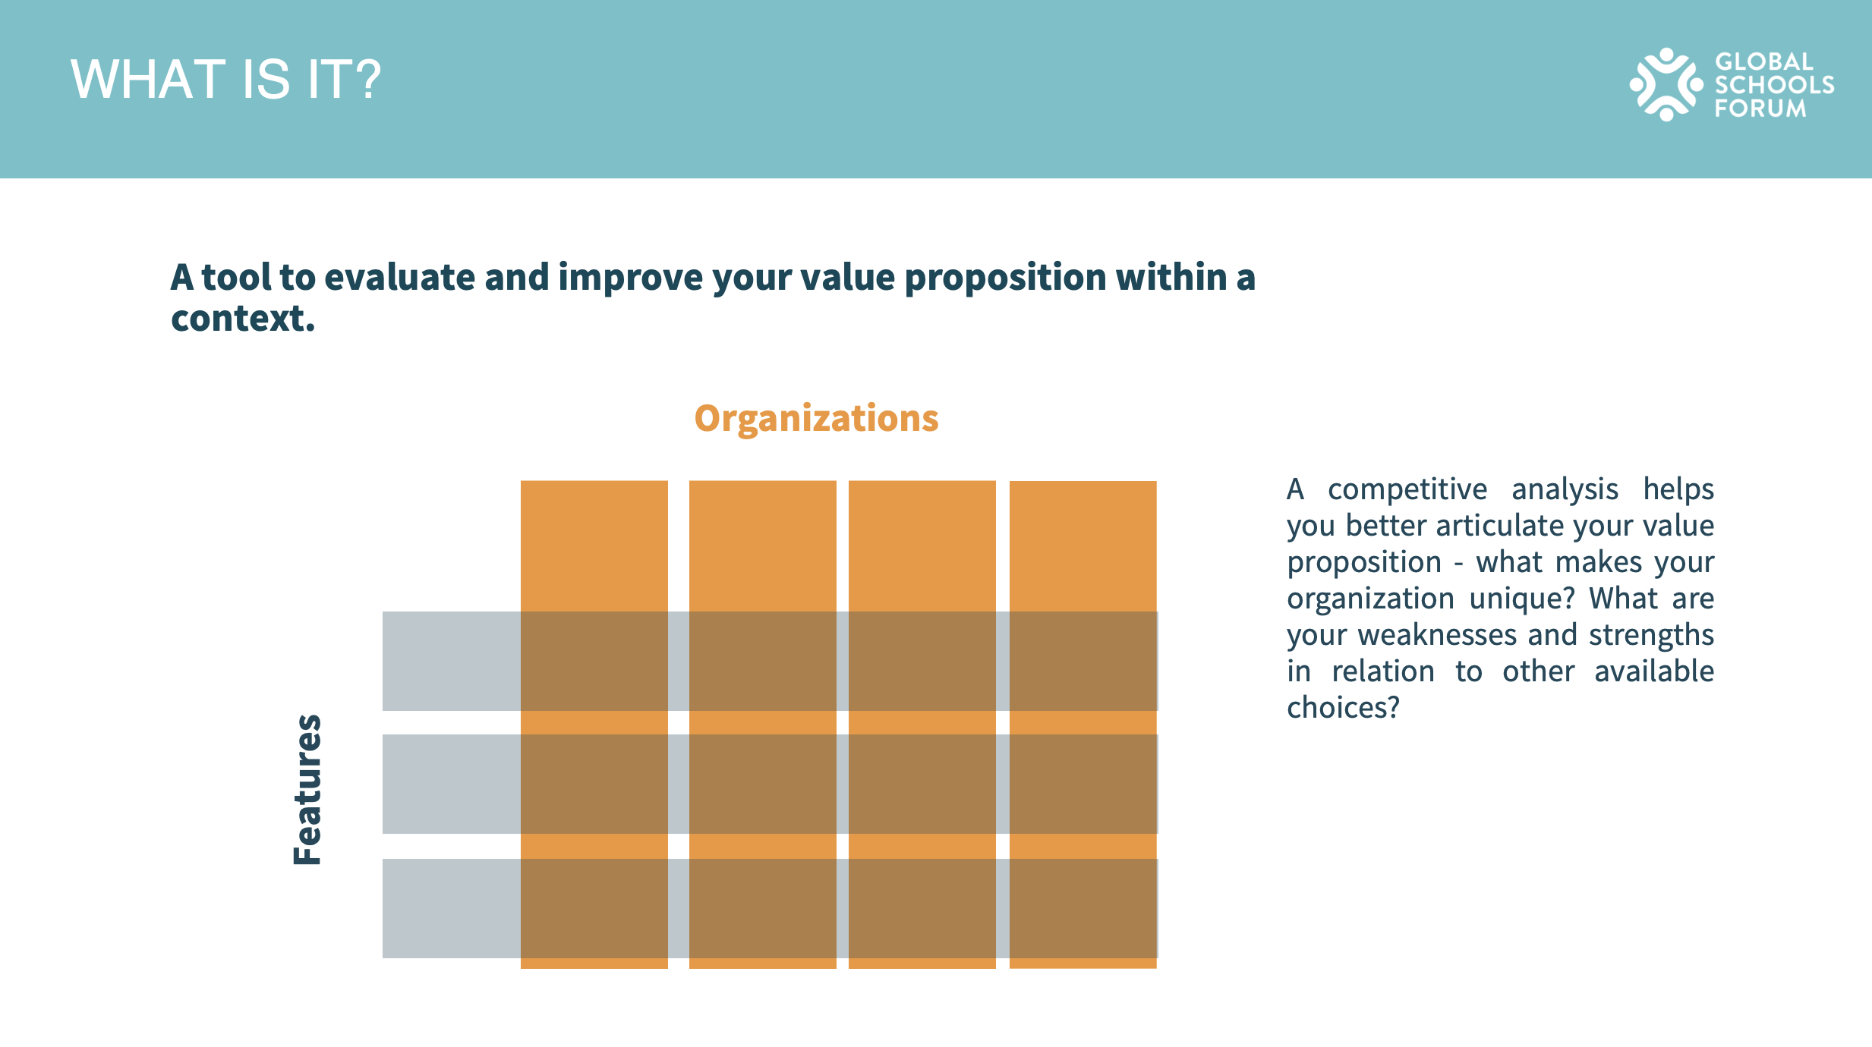
 | A Competitive Analysis is a strategic exercise that helps you evaluate your competitors to identify your own strengths and weaknesses, understand the opportunities and threats you might face, and adapt your strategies accordingly. Here's how to build one:
 | 1. Identify other alternatives: These could be direct competitors (organizations offering similar solutions to the same target audience) or indirect competitors (organizations offering different solutions to the same problem or need). For example, if your organization provides digital literacy programs for children, a direct competitor might be another organization offering similar digital literacy programs, while an indirect competitor might be an organization offering traditional literacy programs.

 | 2. Choose Categories for Comparison: Decide on the key aspects you want to compare across organizations. These could include the target audience, geographic reach, program focus, delivery method, pricing, funding sources, partnerships, and so on. The categories you choose should be relevant to your organization's mission and strategic goals and you can define standard answers to make the comparison more straightforward, for example with (Yes/No) or (High/Medium/Low).

 | 3. Analyze other's strategies: Understand what motivates them, their strengths and weaknesses, and their key assets and skills. This involves researching each competitor and gathering information on the categories you've chosen for comparison.

 | 4. Evaluate your position: Based on your analysis, determine where you stand in relation to your competitors. This involves understanding your unique strengths and how you can leverage them to gain a competitive advantage.

 | 5. Create a Comparison Table: A visual representation of your competitive analysis can be a powerful tool for internal discussions and strategic planning. Create a table listing your organization and your competitors along the top, and your chosen categories down the side. Fill in each cell with your analysis. This table can then be used in strategy meetings to facilitate discussions about your competitive landscape and your organization's unique value proposition.
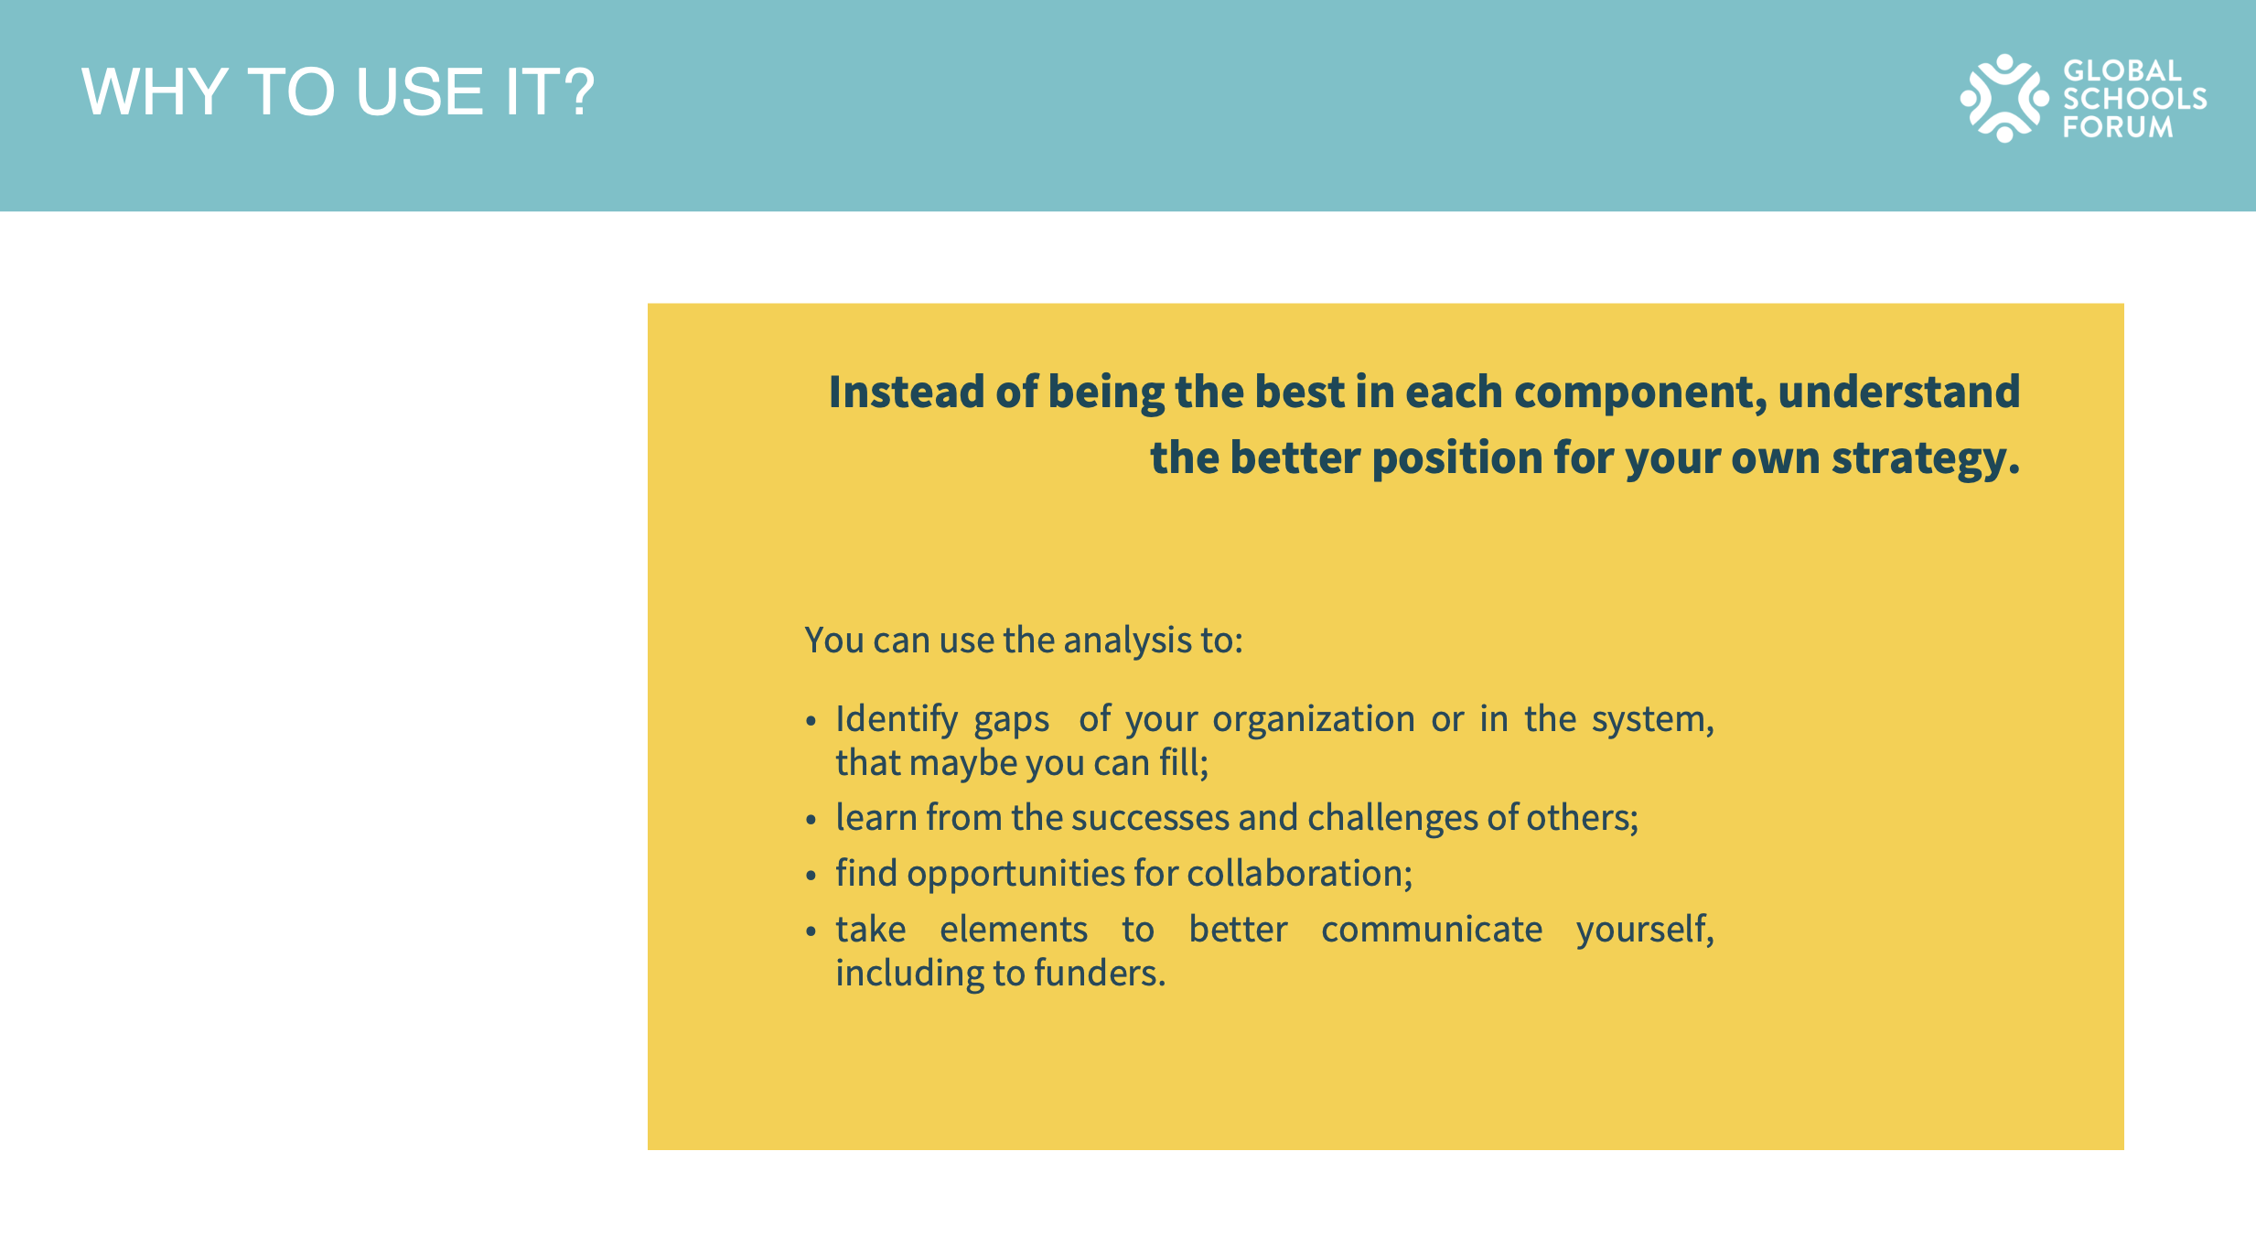
HOW TO RESEARCH DATA FROM OTHER ORGANIZATIONS?

1. Publicly Available Information:
Websites and Annual Reports: Most NGOs publish annual reports and maintain websites detailing their activities, financials, and impact metrics.
Third-party Databases: Platforms like GuideStar, Charity Navigator, and the Foundation Center provide detailed information on a wide range of NGOs, including financial data and impact metrics.
Media and Publications: Check news articles, press releases, academic studies, and specialized publications related to the NGO sector for insights.

2. Surveys and Interviews:
Direct Outreach: Contact NGOs directly, expressing your intent (e.g., benchmarking for mutual benefit) and request specific information. Being transparent about your intentions can foster cooperation.
Stakeholder Feedback: Engage with common donors, beneficiaries, or volunteers who have had interactions with other NGOs to gather their perspectives and experiences.

3. Networking and Events:
Conferences and Workshops: Attend sector-specific conferences, workshops, and seminars. These events provide opportunities to interact with representatives from other NGOs and gather firsthand insights.
Affiliations and Partnerships: Utilize any formal networks, coalitions, or umbrella organizations your NGO is part of to exchange information and best practices with member organizations. | Remember, the goal of this exercise is not to compete with other organizations in the traditional sense, but to understand the ecosystem in which you operate, identify opportunities for collaboration and learning, and articulate your unique value proposition.

